Sheet1
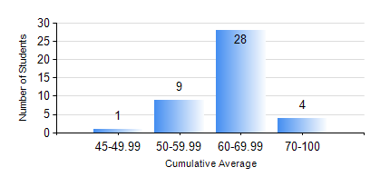
 |  |  | KWAME NKRUMAH UNIVERSITY OF SCIENCE AND TECHNOLOGY, KUMASI Department of Mechanical Engineering

 |  |  | BSC. INDUSTRIAL ENG.

 |  |  | COMPREHENSIVE RECORD OF EXAMINATION RESULTS

 |  |  | RESULTS OF YEAR 1 FIRST SEMESTER, 2018/2019 ACADEMIC YEAR

 | Sn | Course Code |  | Course Name | Credit Hours | Min. Mark | Max. Mark | Avg. Mark | Std. Dev. | No. Passed | No. Trailed | No. (Df) | No. (I) | No. (I*) | No. Tagged(I,I*,Df) | Total
 | 1. | CE 155 |  | ENVIRONMENTAL STUDIES | 2 | 50 | 80 | 64 | 7.33 | 42 | 0 | 0 | 0 | 0 | 0 | 42
 | 2. | EE 151 |  | APPLIED ELECTRICITY | 3 | 30 | 83 | 50 | 11.81 | 35 | 7 | 0 | 0 | 0 | 0 | 42
 | 3. | ENGL 157 |  | COMMUNICATION SKILLS I | 2 | 50 | 73 | 63 | 5.27 | 42 | 0 | 0 | 0 | 0 | 0 | 42
 | 4. | MATH 151 |  | ALGEBRA | 4 | 42 | 85 | 67 | 8.73 | 42 | 0 | 0 | 0 | 0 | 0 | 42
 | 5. | ME 157 |  | INTRODUCTION TO INFORMATION TECHNOLOGY | 2 | 48 | 86 | 68 | 9.65 | 42 | 0 | 0 | 0 | 0 | 0 | 42
 | 6. | ME 159 |  | TECHNICAL DRAWING | 2 | 47 | 81 | 64 | 8.87 | 42 | 0 | 0 | 0 | 0 | 0 | 42
 | 7. | ME 195 |  | ENGINEERING TECHNOLOGY I | 2 | 53 | 88 | 73 | 10.53 | 42 | 0 | 0 | 0 | 0 | 0 | 42

